Table 1
 |  |  |  | 53,967
Photo | Model Name | Item Code | Age | Qty | Turkish RRP | Sum of Qty |  | Age
 | Deniz Mavi Girls' Jumpsuit | PNCLP-23WIN-061 | 3 Age | 60 | ₺1,299.99 | Item Code | WHS Price | 26 | 27 | 28 | 29 | 30 | 31 | 32 | 33 | 34 | 35 | 10 Age | 11 Age | 12 Age | 2 Age | 3 Age | 4 Age | 5 Age | 6 Age | 7 Age | 8 Age | 9 Age | Grand Total
 | Deniz Mavi Girls' Jumpsuit | PNCLP-23WIN-061 | 4 Age | 112 | ₺1,299.99 | PNCLP-22SUM-001 | 7.070754717 |  |  |  |  |  |  |  |  |  |  | 2 |  |  |  | 17 | 0 | 14 | 8 | 5 | 17 | 18 | 81
 | Deniz Mavi Girls' Jumpsuit | PNCLP-23WIN-061 | 5 Age | 115 | ₺1,299.99 | PNCLP-22SUM-004 | 5.6603301887 |  |  |  |  |  |  |  |  |  |  |  |  |  |  | 12 | 3 | 25 | 25 | 23 | 16 | 6 | 110
 | Deniz Mavi Girls' Jumpsuit | PNCLP-23WIN-061 | 6 Age | 109 | ₺1,299.99 | PNCLP-22SUM-005 | 7.070754717 |  |  |  |  |  |  |  |  |  |  | 1 |  |  |  | 15 | 11 | 6 | 0 | 7 | 5 | 6 | 51
 | Deniz Mavi Girls' Jumpsuit | PNCLP-23WIN-061 | 7 Age | 112 | ₺1,299.99 | PNCLP-22SUM-009 | 7.070754717 |  |  |  |  |  |  |  |  |  |  | 21 |  |  |  |  | 14 | 31 | 31 | 40 | 37 | 32 | 206
 | Deniz Mavi Girls' Jumpsuit | PNCLP-23WIN-061 | 8 Age | 113 | ₺1,299.99 | PNCLP-22SUM-010 | 9.433490566 |  |  |  |  |  |  |  |  |  |  |  |  |  |  | 2 | 1 | 1 | 6 | 1 | 3 | 3 | 17
 | Suit White Black Patterned Girl's Jumpsuit | PNCLP-23WIN-062 | 3 Age | 10 | ₺1,299.99 | PNCLP-22SUM-011 | 7.070754717 |  |  |  |  |  |  |  |  |  |  | 18 |  |  |  |  | 54 | 35 | 34 | 31 | 35 | 36 | 243
 | Suit White Black Patterned Girl's Jumpsuit | PNCLP-23WIN-062 | 4 Age | 20 | ₺1,299.99 | PNCLP-22SUM-015 | 7.070754717 |  |  |  |  |  |  |  |  |  |  |  |  |  |  | 21 | 7 | 18 | 11 | 26 | 22 | 15 | 120
 | Suit White Black Patterned Girl's Jumpsuit | PNCLP-23WIN-062 | 5 Age | 20 | ₺1,299.99 | PNCLP-22SUM-016 | 7.070754717 |  |  |  |  |  |  |  |  |  |  |  |  |  |  | 19 | 17 | 24 | 36 | 29 | 34 | 23 | 182
 | Suit White Black Patterned Girl's Jumpsuit | PNCLP-23WIN-062 | 6 Age | 20 | ₺1,299.99 | PNCLP-22SUM-017 | 7.070754717 |  |  |  |  |  |  |  |  |  |  | 0 |  |  |  | 4 | 0 | 0 | 0 | 12 | 35 | 58 | 109
 | Suit White Black Patterned Girl's Jumpsuit | PNCLP-23WIN-062 | 7 Age | 20 | ₺1,299.99 | PNCLP-22SUM-018 | 9.433490566 |  |  |  |  |  |  |  |  |  |  |  |  |  |  | 4 | 8 | 7 | 7 | 8 | 17 | 11 | 62
 | Suit White Black Patterned Girl's Jumpsuit | PNCLP-23WIN-062 | 8 Age | 19 | ₺1,299.99 | PNCLP-22SUM-019 | 9.433490566 |  |  |  |  |  |  |  |  |  |  |  |  |  |  | 7 | 9 | 8 | 22 | 19 | 26 | 14 | 105
 | Summer Fruit Colorful Girl's Jumpsuit | PNCLP-23WIN-063 | 3 Age | 37 | ₺1,299.99 | PNCLP-22SUM-020 | 7.070754717 |  |  |  |  |  |  |  |  |  |  | 6 |  |  |  | 5 | 3 | 3 | 17 | 23 | 17 | 20 | 94
 | Summer Fruit Colorful Girl's Jumpsuit | PNCLP-23WIN-063 | 4 Age | 70 | ₺1,299.99 | PNCLP-22SUM-021 | 7.070754717 |  |  |  |  |  |  |  |  |  |  | 4 |  |  |  | 12 | 4 | 3 | 9 | 7 | 12 | 7 | 58
 | Summer Fruit Colorful Girl's Jumpsuit | PNCLP-23WIN-063 | 5 Age | 80 | ₺1,299.99 | PNCLP-22SUM-022 | 7.070754717 |  |  |  |  |  |  |  |  |  |  | 27 |  |  |  |  | 12 | 28 | 20 | 22 | 22 | 32 | 163
 | Summer Fruit Colorful Girl's Jumpsuit | PNCLP-23WIN-063 | 6 Age | 76 | ₺1,299.99 | PNCLP-22SUM-024 | 7.070754717 |  |  |  |  |  |  |  |  |  |  |  |  |  |  | 13 | 13 | 8 | 9 | 10 | 5 |  | 58
 | Summer Fruit Colorful Girl's Jumpsuit | PNCLP-23WIN-063 | 7 Age | 61 | ₺1,299.99 | PNCLP-22SUM-025 | 7.070754717 |  |  |  |  |  |  |  |  |  |  |  |  |  |  | 21 | 10 | 12 | 13 | 18 | 11 | 7 | 92
 | Summer Fruit Colorful Girl's Jumpsuit | PNCLP-23WIN-063 | 8 Age | 82 | ₺1,299.99 | PNCLP-22SUM-027 | 7.070754717 |  |  |  |  |  |  |  |  |  |  |  |  |  |  | 29 | 10 | 16 | 50 | 49 | 42 | 43 | 239
 | Summer Fruit Orange Girl's Jumpsuit | PNCLP-23WIN-064 | 8 Age | 11 | ₺1,299.99 | PNCLP-22SUM-037 | 7.070754717 |  |  |  |  |  |  |  |  |  |  |  |  |  |  | 24 | 14 | 21 | 17 | 14 | 17 | 14 | 121
 | Summer Fruit Orange Girl's Jumpsuit | PNCLP-23WIN-064 | 3 Age | 8 | ₺1,299.99 | PNCLP-22SUM-039 | 9.433490566 |  |  |  |  |  |  |  |  |  |  | 0 |  |  |  | 10 | 1 | 1 | 6 | 1 | 10 | 2 | 31
 | Summer Fruit Orange Girl's Jumpsuit | PNCLP-23WIN-064 | 4 Age | 9 | ₺1,299.99 | PNCLP-22SUM-040 | 7.070754717 |  |  |  |  |  |  |  |  |  |  | 0 |  |  |  | 3 | 0 | 1 | 1 | 11 | 0 | 2 | 18
 | Summer Fruit Orange Girl's Jumpsuit | PNCLP-23WIN-064 | 5 Age | 12 | ₺1,299.99 | PNCLP-22SUM-042 | 5.6603301887 |  |  |  |  |  |  |  |  |  |  |  |  |  |  | 20 | 19 | 40 | 39 | 43 | 38 | 28 | 227
 | Summer Fruit Orange Girl's Jumpsuit | PNCLP-23WIN-064 | 6 Age | 11 | ₺1,299.99 | PNCLP-22SUM-045 | 9.433490566 |  |  |  |  |  |  |  |  |  |  |  |  |  |  | 18 | 17 | 28 | 27 | 19 | 17 | 24 | 150
 | Summer Fruit Orange Girl's Jumpsuit | PNCLP-23WIN-064 | 7 Age | 10 | ₺1,299.99 | PNCLP-22SUM-046 | 7.070754717 |  |  |  |  |  |  |  |  |  |  |  |  |  |  | 26 | 20 | 10 | 5 | 2 | 2 | 4 | 69
 | Rosalina Orange Girl's Jumpsuit | PNCLP-23WIN-065 | 7 Age | 42 | ₺1,299.99 | PNCLP-22SUM-047 | 7.070754717 |  |  |  |  |  |  |  |  |  |  | 32 |  |  |  | 25 | 12 | 40 | 53 | 34 | 44 | 39 | 279
 | Rosalina Orange Girl's Jumpsuit | PNCLP-23WIN-065 | 8 Age | 41 | ₺1,299.99 | PNCLP-22SUM-048 | 5.6603301887 |  |  |  |  |  |  |  |  |  |  | 2 |  |  |  | 8 | 8 | 7 | 19 | 33 | 23 | 3 | 103
 | Rosalina Orange Girl's Jumpsuit | PNCLP-23WIN-065 | 3 Age | 21 | ₺1,299.99 | PNCLP-22SUM-049 | 7.070754717 |  |  |  |  |  |  |  |  |  |  |  |  |  |  | 22 | 8 | 16 | 32 | 31 | 15 | 31 | 155
 | Rosalina Orange Girl's Jumpsuit | PNCLP-23WIN-065 | 4 Age | 42 | ₺1,299.99 | PNCLP-22SUM-050 | 7.070754717 |  |  |  |  |  |  |  |  |  |  | 4 | 8 | 2 | 15 | 8 | 4 | 19 | 16 | 23 | 10 | 8 | 117
 | Rosalina Orange Girl's Jumpsuit | PNCLP-23WIN-065 | 5 Age | 42 | ₺1,299.99 | PNCLP-22SUM-051 | 7.070754717 |  |  |  |  |  |  |  |  |  |  | 0 |  |  |  | 19 | 8 | 3 | 9 | 23 | 8 | 0 | 70
 | Rosalina Orange Girl's Jumpsuit | PNCLP-23WIN-065 | 6 Age | 42 | ₺1,299.99 | PNCLP-22SUM-053 | 9.433490566 |  |  |  |  |  |  |  |  |  |  | 28 |  |  |  |  | 22 | 16 | 31 | 41 | 45 | 20 | 203
 | Patchwork Colorful Girl's Jumpsuit | PNCLP-23WIN-066 | 3 Age | 24 | ₺1,299.99 | PNCLP-22SUM-055 | 7.070754717 |  |  |  |  |  |  |  |  |  |  |  |  |  |  | 19 | 18 | 33 | 34 | 39 | 37 | 43 | 223
 | Patchwork Colorful Girl's Jumpsuit | PNCLP-23WIN-066 | 4 Age | 44 | ₺1,299.99 | PNCLP-22SUM-056 | 9.433490566 |  |  |  |  |  |  |  |  |  |  |  |  |  |  | 21 | 19 | 13 | 22 | 19 | 18 | 15 | 127
 | Patchwork Colorful Girl's Jumpsuit | PNCLP-23WIN-066 | 5 Age | 55 | ₺1,299.99 | PNCLP-22SUM-057 | 7.070754717 |  |  |  |  |  |  |  |  |  |  |  |  |  |  | 26 | 22 | 39 | 39 | 42 | 37 | 33 | 238
 | Patchwork Colorful Girl's Jumpsuit | PNCLP-23WIN-066 | 6 Age | 48 | ₺1,299.99 | PNCLP-22SUM-059 | 7.070754717 |  |  |  |  |  |  |  |  |  |  | 29 |  |  |  | 38 | 20 | 25 | 17 | 34 | 17 | 29 | 209
 | Patchwork Colorful Girl's Jumpsuit | PNCLP-23WIN-066 | 7 Age | 50 | ₺1,299.99 | PNCLP-22SUM-060 | 7.070754717 |  |  |  |  |  |  |  |  |  |  | 2 |  |  |  | 25 | 10 | 5 | 33 | 24 | 26 | 34 | 159
 | Patchwork Colorful Girl's Jumpsuit | PNCLP-23WIN-066 | 8 Age | 47 | ₺1,299.99 | PNCLP-22SUM-061 | 7.070754717 |  |  |  |  |  |  |  |  |  |  | 26 |  |  |  | 26 | 47 | 45 | 64 | 37 | 33 | 45 | 323
 | Red Rose Mustard Girl's Jumpsuit | PNCLP-23WIN-067 | 3 Age | 61 | ₺1,299.99 | PNCLP-22SUM-062 | 5.6603301887 |  |  |  |  |  |  |  |  |  |  |  |  |  | 44 | 41 | 27 | 27 | 26 | 30 | 29 | 29 | 253
 | Red Rose Mustard Girl's Jumpsuit | PNCLP-23WIN-067 | 4 Age | 120 | ₺1,299.99 | PNCLP-22SUM-063 | 9.433490566 |  |  |  |  |  |  |  |  |  |  | 4 |  |  |  | 27 | 40 | 3 | 0 | 2 | 4 | 5 | 85
 | Red Rose Mustard Girl's Jumpsuit | PNCLP-23WIN-067 | 5 Age | 120 | ₺1,299.99 | PNCLP-22SUM-065 | 9.433490566 |  |  |  |  |  |  |  |  |  |  | 0 |  |  |  | 56 | 40 | 27 | 2 | 2 | 0 | 25 | 152
 | Red Rose Mustard Girl's Jumpsuit | PNCLP-23WIN-067 | 6 Age | 120 | ₺1,299.99 | PNCLP-22SUM-066 | 9.433490566 |  |  |  |  |  |  |  |  |  |  |  |  |  |  | 28 | 27 | 15 | 22 | 12 | 17 | 4 | 125
 | Red Rose Mustard Girl's Jumpsuit | PNCLP-23WIN-067 | 7 Age | 118 | ₺1,299.99 | PNCLP-22SUM-067 | 5.1886320755 | 0 | 0 | 5 | 6 | 2 | 17 | 19 | 23 | 8 |  |  |  |  |  |  |  |  |  |  |  |  | 80
 | Red Rose Mustard Girl's Jumpsuit | PNCLP-23WIN-067 | 8 Age | 118 | ₺1,299.99 | PNCLP-22SUM-068 | 5.1886320755 | 0 | 1 | 18 | 15 | 17 | 18 | 29 | 28 | 10 |  |  |  |  |  |  |  |  |  |  |  |  | 136
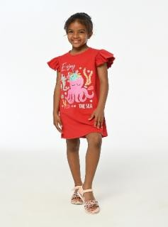 |  | PNCLP-24SUM-067 | 3 Age | 18 | ₺1,999.90 | PNCLP-22SUM-069 | 5.1886320755 | 71 | 73 | 34 | 21 | -1 | 0 | 15 | 22 | 29 |  |  |  |  |  |  |  |  |  |  |  |  | 264
 |  | PNCLP-24SUM-067 | 4 Age | 35 | ₺1,999.90 | PNCLP-22SUM-070 | 7.070754717 |  |  |  |  |  |  |  |  |  |  | 5 | 14 | 12 | 11 | 14 | 30 | 23 | 29 | 30 | 12 | 23 | 203
 |  | PNCLP-24SUM-067 | 5 Age | 60 | ₺1,999.90 | PNCLP-22SUM-071 | 7.070754717 |  |  |  |  |  |  |  |  |  |  |  |  |  |  | 13 | 10 | 8 | 21 | 22 | 22 | 26 | 122
 |  | PNCLP-24SUM-067 | 6 Age | 58 | ₺1,999.90 | PNCLP-22SUM-072 | 7.070754717 |  |  |  |  |  |  |  |  |  |  |  |  |  |  | 26 | 18 | 19 | 22 | 8 | 8 |  | 101
 |  | PNCLP-24SUM-067 | 7 Age | 58 | ₺1,999.90 | PNCLP-22SUM-073 | 7.070754717 |  |  |  |  |  |  |  |  |  |  |  |  |  |  | 31 | 29 | 54 | 63 | 69 | 61 | 67 | 374
 |  | PNCLP-24SUM-067 | 8 Age | 58 | ₺1,999.90 | PNCLP-22SUM-079 | 7.070754717 |  |  |  |  |  |  |  |  |  |  |  |  |  |  | 27 | 22 | 22 | 54 | 54 | 55 | 52 | 286
 |  | PNCLP-24SUM-067 | 9 Age | 29 | ₺1,999.90 | PNCLP-23WIN-061 | 6.1320283019 |  |  |  |  |  |  |  |  |  |  |  |  |  |  | 60 | 112 | 115 | 109 | 112 | 113 |  | 621
 |  | PNCLP-24SUM-067 | 10 Age | 28 | ₺1,999.90 | PNCLP-23WIN-062 | 6.1320283019 |  |  |  |  |  |  |  |  |  |  |  |  |  |  | 10 | 20 | 20 | 20 | 20 | 19 |  | 109
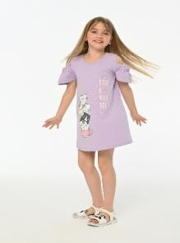 |  | PNCLP-24SUM-069 | 3 Age | 24 | ₺1,099.99 | PNCLP-23WIN-063 | 6.1320283019 |  |  |  |  |  |  |  |  |  |  |  |  |  |  | 37 | 70 | 80 | 76 | 61 | 82 |  | 406
 |  | PNCLP-24SUM-069 | 4 Age | 23 | ₺1,099.99 | PNCLP-23WIN-064 | 6.1320283019 |  |  |  |  |  |  |  |  |  |  |  |  |  |  | 8 | 9 | 12 | 11 | 10 | 11 |  | 61
 |  | PNCLP-24SUM-069 | 5 Age | 53 | ₺1,099.99 | PNCLP-23WIN-065 | 6.1320283019 |  |  |  |  |  |  |  |  |  |  |  |  |  |  | 21 | 42 | 42 | 42 | 42 | 41 |  | 230
 |  | PNCLP-24SUM-069 | 6 Age | 51 | ₺1,099.99 | PNCLP-23WIN-066 | 6.1320283019 |  |  |  |  |  |  |  |  |  |  |  |  |  |  | 24 | 44 | 55 | 48 | 50 | 47 |  | 268
 |  | PNCLP-24SUM-069 | 7 Age | 52 | ₺1,099.99 | PNCLP-23WIN-067 | 6.1320283019 |  |  |  |  |  |  |  |  |  |  |  |  |  |  | 61 | 120 | 120 | 120 | 118 | 118 |  | 657
 |  | PNCLP-24SUM-069 | 8 Age | 52 | ₺1,099.99 | PNCLP-24SUM-001 | 9.433490566 |  |  |  |  |  |  |  |  |  |  | 75 |  |  |  | 75 | 75 | 210 | 210 | 210 | 210 | 75 | 1140
 |  | PNCLP-24SUM-069 | 9 Age | 31 | ₺1,099.99 | PNCLP-24SUM-002 | 9.433490566 |  |  |  |  |  |  |  |  |  |  | 85 |  |  |  | 85 | 85 | 215 | 215 | 215 | 215 | 85 | 1200
 |  | PNCLP-24SUM-069 | 10 Age | 17 | ₺1,099.99 | PNCLP-24SUM-003 | 9.433490566 |  |  |  |  |  |  |  |  |  |  | 18 |  |  |  | 17 | 19 | 37 | 34 | 37 | 38 | 19 | 219
 |  | PNCLP-24SUM-070 | 3 Age | 47 | ₺699.99 | PNCLP-24SUM-004 | 7.0754245283 |  |  |  |  |  |  |  |  |  |  | 55 |  |  |  | 57 | 56 | 121 | 125 | 128 | 124 | 57 | 723
 |  | PNCLP-24SUM-070 | 4 Age | 45 | ₺699.99 | PNCLP-24SUM-005 | 7.070754717 |  |  |  |  |  |  |  |  |  |  | 30 |  |  |  | 30 | 30 | 80 | 80 | 80 | 80 | 30 | 440
 |  | PNCLP-24SUM-070 | 5 Age | 98 | ₺699.99 | PNCLP-24SUM-006 | 7.070754717 |  |  |  |  |  |  |  |  |  |  | 137 |  |  |  | 139 | 140 | 138 | 137 | 140 | 133 | 136 | 1100
 |  | PNCLP-24SUM-070 | 6 Age | 98 | ₺699.99 | PNCLP-24SUM-007 | 7.070754717 |  |  |  |  |  |  |  |  |  |  | 60 |  |  |  | 60 | 60 | 180 | 180 | 180 | 180 | 180 | 1080
 |  | PNCLP-24SUM-070 | 7 Age | 97 | ₺699.99 | PNCLP-24SUM-008 | 7.070754717 |  |  |  |  |  |  |  |  |  |  | 167 |  |  |  | 158 | 167 | 161 | 185 | 165 | 158 | 162 | 1323
 |  | PNCLP-24SUM-070 | 8 Age | 100 | ₺699.99 | PNCLP-24SUM-009 | 7.070754717 |  |  |  |  |  |  |  |  |  |  | 70 |  |  |  | 70 | 70 | 210 | 210 | 210 | 210 | 70 | 1120
 |  | PNCLP-24SUM-070 | 9 Age | 48 | ₺699.99 | PNCLP-24SUM-010 | 7.070754717 |  |  |  |  |  |  |  |  |  |  | 62 |  |  |  | 53 | 63 | 124 | 126 | 125 | 122 | 63 | 738
 |  | PNCLP-24SUM-070 | 10 Age | 46 | ₺699.99 | PNCLP-24SUM-011 | 7.070754717 |  |  |  |  |  |  |  |  |  |  | 66 |  |  |  | 77 | 77 | 154 | 149 | 160 | 160 | 82 | 925
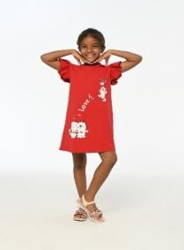 |  | PNCLP-24SUM-071 | 3 Age | 39 | ₺1,099.99 | PNCLP-24SUM-012 | 7.070754717 |  |  |  |  |  |  |  |  |  |  | 68 |  |  |  | 64 | 64 | 129 | 129 | 117 | 122 | 67 | 760
 |  | PNCLP-24SUM-071 | 4 Age | 39 | ₺1,099.99 | PNCLP-24SUM-013 | 7.070754717 |  |  |  |  |  |  |  |  |  |  | 25 |  |  |  | 25 | 25 | 66 | 66 | 66 | 66 | 25 | 364
 |  | PNCLP-24SUM-071 | 5 Age | 83 | ₺1,099.99 | PNCLP-24SUM-014 | 7.070754717 |  |  |  |  |  |  |  |  |  |  | 32 |  |  |  | 32 | 32 | 94 | 94 | 94 | 94 | 32 | 504
 |  | PNCLP-24SUM-071 | 6 Age | 84 | ₺1,099.99 | PNCLP-24SUM-017 | 9.433490566 |  |  |  |  |  |  |  |  |  |  | 42 |  |  |  | 44 | 39 | 73 | 91 | 0 | 84 | 37 | 410
 |  | PNCLP-24SUM-071 | 7 Age | 87 | ₺1,099.99 | PNCLP-24SUM-018 | 7.070754717 |  |  |  |  |  |  |  |  |  |  | 32 |  |  |  | 32 | 32 | 96 | 96 | 96 | 96 | 32 | 512
 |  | PNCLP-24SUM-071 | 8 Age | 84 | ₺1,099.99 | PNCLP-24SUM-019 | 7.070754717 |  |  |  |  |  |  |  |  |  |  | 32 |  |  |  | 32 | 32 | 96 | 96 | 96 | 96 | 32 | 512
 |  | PNCLP-24SUM-071 | 9 Age | 39 | ₺1,099.99 | PNCLP-24SUM-021 | 7.070754717 |  |  |  |  |  |  |  |  |  |  | 32 |  |  |  | 32 | 32 | 92 | 92 | 92 | 92 | 32 | 496
 |  | PNCLP-24SUM-071 | 10 Age | 37 | ₺1,099.99 | PNCLP-24SUM-022 | 7.070754717 |  |  |  |  |  |  |  |  |  |  | 30 |  |  |  | 30 | 30 | 90 | 90 | 90 | 90 | 30 | 480
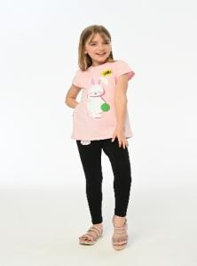 |  | PNCLP-24SUM-072 | 3 Age | 42 | ₺699.99 | PNCLP-24SUM-023 | 7.070754717 |  |  |  |  |  |  |  |  |  |  | 30 |  |  |  | 30 | 30 | 80 | 80 | 80 | 80 | 30 | 440
 |  | PNCLP-24SUM-072 | 4 Age | 33 | ₺699.99 | PNCLP-24SUM-026 | 7.070754717 |  |  |  |  |  |  |  |  |  |  | 30 |  |  |  | 30 | 30 | 90 | 90 | 90 | 90 | 30 | 480
 |  | PNCLP-24SUM-072 | 5 Age | 83 | ₺699.99 | PNCLP-24SUM-027 | 7.070754717 |  |  |  |  |  |  |  |  |  |  | 30 |  |  |  | 30 | 30 | 90 | 90 | 90 | 90 | 30 | 480
 |  | PNCLP-24SUM-072 | 6 Age | 86 | ₺699.99 | PNCLP-24SUM-028 | 7.070754717 |  |  |  |  |  |  |  |  |  |  | 35 |  |  |  | 35 | 35 | 98 | 98 | 98 | 98 | 35 | 532
 |  | PNCLP-24SUM-072 | 7 Age | 85 | ₺699.99 | PNCLP-24SUM-029 | 7.070754717 |  |  |  |  |  |  |  |  |  |  | 30 |  |  |  | 30 | 30 | 90 | 90 | 90 | 90 | 30 | 480
 |  | PNCLP-24SUM-072 | 8 Age | 85 | ₺699.99 | PNCLP-24SUM-030 | 7.070754717 |  |  |  |  |  |  |  |  |  |  | 40 |  |  |  | 40 | 40 | 120 | 120 | 120 | 120 | 40 | 640
 |  | PNCLP-24SUM-072 | 9 Age | 37 | ₺699.99 | PNCLP-24SUM-031 | 7.070754717 |  |  |  |  |  |  |  |  |  |  | 40 |  |  |  | 40 | 40 | 120 | 120 | 120 | 120 | 40 | 640
 |  | PNCLP-24SUM-072 | 10 Age | 37 | ₺699.99 | PNCLP-24SUM-032 | 7.070754717 |  |  |  |  |  |  |  |  |  |  | 22 |  |  |  | 22 | 35 | 35 | 35 | 35 | 35 | 22 | 241
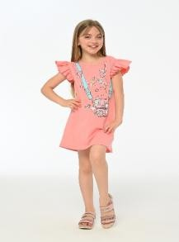 |  | PNCLP-24SUM-073 | 3 Age | 52 | ₺1,999.99 | PNCLP-24SUM-033 | 7.070754717 |  |  |  |  |  |  |  |  |  |  | 6 |  |  |  | 6 | 6 | 16 | 16 | 16 | 16 | 6 | 88
 |  | PNCLP-24SUM-073 | 4 Age | 52 | ₺1,999.99 | PNCLP-24SUM-034 | 7.070754717 |  |  |  |  |  |  |  |  |  |  | 5 |  |  |  | 5 | 5 | 5 | 5 | 5 | 5 | 5 | 40
 |  | PNCLP-24SUM-073 | 5 Age | 110 | ₺1,999.99 | PNCLP-24SUM-035 | 7.070754717 |  |  |  |  |  |  |  |  |  |  | 5 |  |  |  | 5 | 5 | 5 | 5 | 5 | 5 | 5 | 40
 |  | PNCLP-24SUM-073 | 6 Age | 110 | ₺1,999.99 | PNCLP-24SUM-036 | 7.070754717 |  |  |  |  |  |  |  |  |  |  | 5 |  |  |  | 5 | 5 | 5 | 5 | 5 | 5 | 5 | 40
 |  | PNCLP-24SUM-073 | 7 Age | 111 | ₺1,999.99 | PNCLP-24SUM-037 | 7.070754717 |  |  |  |  |  |  |  |  |  |  | 20 |  |  |  | 20 | 20 | 65 | 65 | 65 | 65 | 20 | 340
 |  | PNCLP-24SUM-073 | 8 Age | 110 | ₺1,999.99 | PNCLP-24SUM-038 | 7.070754717
 |  | PNCLP-24SUM-073 | 9 Age | 52 | ₺1,999.99 | PNCLP-24SUM-040 | 7.070754717 |  |  |  |  |  |  |  |  |  |  | 40 |  |  |  | 40 | 40 | 120 | 120 | 120 | 120 | 40 | 640
 |  | PNCLP-24SUM-073 | 10 Age | 53 | ₺1,999.99 | PNCLP-24SUM-041 | 7.070754717 |  |  |  |  |  |  |  |  |  |  | 30 |  |  |  | 30 | 30 | 90 | 90 | 90 | 90 | 30 | 480
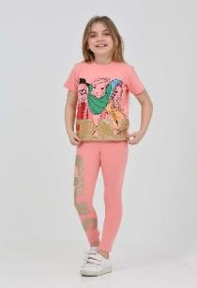 |  | PNCLP-24SUM-074 | 3 Age | 42 | ₺699.99 | PNCLP-24SUM-042 | 7.070754717 |  |  |  |  |  |  |  |  |  |  | 30 |  |  |  | 30 | 30 | 90 | 90 | 90 | 30 | 30 | 420
 |  | PNCLP-24SUM-074 | 4 Age | 41 | ₺699.99 | PNCLP-24SUM-043 | 7.070754717 |  |  |  |  |  |  |  |  |  |  | 30 |  |  |  | 30 | 30 | 90 | 90 | 90 | 90 | 30 | 480
 |  | PNCLP-24SUM-074 | 5 Age | 86 | ₺699.99 | PNCLP-24SUM-044 | 7.070754717 |  |  |  |  |  |  |  |  |  |  | 25 |  |  |  | 24 | 27 | 54 | 54 | 51 | 51 | 27 | 313
 |  | PNCLP-24SUM-074 | 6 Age | 81 | ₺699.99 | PNCLP-24SUM-045 | 7.070754717 |  |  |  |  |  |  |  |  |  |  | 38 |  |  |  | 39 | 37 | 76 | 77 | 74 | 72 | 40 | 453
 |  | PNCLP-24SUM-074 | 7 Age | 86 | ₺699.99 | PNCLP-24SUM-047 | 7.070754717 |  |  |  |  |  |  |  |  |  |  | 29 |  |  |  | 34 | 27 | 58 | 61 | 57 | 63 | 29 | 358
 |  | PNCLP-24SUM-074 | 8 Age | 85 | ₺699.99 | PNCLP-24SUM-048 | 7.070754717 |  |  |  |  |  |  |  |  |  |  | 29 |  |  |  | 31 | 34 | 60 | 55 | 61 | 59 | 32 | 361
 |  | PNCLP-24SUM-074 | 9 Age | 42 | ₺699.99 | PNCLP-24SUM-049 | 7.070754717 |  |  |  |  |  |  |  |  |  |  | 36 |  |  |  | 38 | 36 | 73 | 70 | 72 | 69 | 37 | 431
 |  | PNCLP-24SUM-074 | 10 Age | 41 | ₺699.99 | PNCLP-24SUM-050 | 7.070754717 |  |  |  |  |  |  |  |  |  |  | 37 |  |  |  | 36 | 37 | 62 | 77 | 80 | 74 | 38 | 441
 |  | PNCLP-24SUM-004 | 3 Age | 18 | ₺1,499.99 | PNCLP-24SUM-051 | 7.070754717 |  |  |  |  |  |  |  |  |  |  | 27 |  |  |  | 24 | 30 | 57 | 56 | 56 | 54 | 27 | 331
 |  | PNCLP-24SUM-004 | 4 Age | 17 | ₺1,499.99 | PNCLP-24SUM-052 | 7.070754717 |  |  |  |  |  |  |  |  |  |  | 27 |  |  |  | 27 | 28 | 54 | 55 | 55 | 55 | 28 | 329
 |  | PNCLP-24SUM-004 | 5 Age | 38 | ₺1,499.99 | PNCLP-24SUM-053 | 7.070754717 |  |  |  |  |  |  |  |  |  |  | 46 |  |  |  | 48 | 47 | 92 | 98 | 97 | 95 | 52 | 575
 |  | PNCLP-24SUM-004 | 6 Age | 41 | ₺1,499.99 | PNCLP-24SUM-054 | 7.070754717 |  |  |  |  |  |  |  |  |  |  | 39 |  |  |  | 38 | 39 | 78 | 80 | 90 | 78 | 39 | 481
 |  | PNCLP-24SUM-004 | 7 Age | 41 | ₺1,499.99 | PNCLP-24SUM-055 | 9.433490566 |  |  |  |  |  |  |  |  |  |  | 32 |  |  |  | 0 | 0 | 14 | 15 | 32 | 31 | 29 | 153
 |  | PNCLP-24SUM-004 | 8 Age | 40 | ₺1,499.99 | PNCLP-24SUM-056 | 9.433490566 |  |  |  |  |  |  |  |  |  |  | 55 |  |  |  |  |  | 27 | 46 | 54 | 56 | 46 | 284
 |  | PNCLP-24SUM-004 | 9 Age | 18 | ₺1,499.99 | PNCLP-24SUM-057 | 9.433490566 |  |  |  |  |  |  |  |  |  |  | 9 |  |  |  |  |  |  | 3 | 8 | 10 | 7 | 37
 |  | PNCLP-24SUM-004 | 10 Age | 18 | ₺1,499.99 | PNCLP-24SUM-060 | 9.433490566 |  |  |  |  |  |  |  |  |  |  | 92 |  |  |  |  |  | 42 | 42 | 94 | 85 | 90 | 445
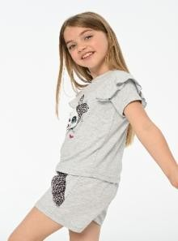 |  | PNCLP-24SUM-075 | 3 Age | 33 | ₺699.99 | PNCLP-24SUM-061 | 7.070754717 |  |  |  |  |  |  |  |  |  |  | 45 |  |  |  | 45 | 45 | 135 | 135 | 135 | 135 | 45 | 720
 |  | PNCLP-24SUM-075 | 4 Age | 33 | ₺699.99 | PNCLP-24SUM-062 | 7.070754717 |  |  |  |  |  |  |  |  |  |  | 38 |  |  |  | 38 | 38 | 113 | 113 | 113 | 113 | 38 | 604
 |  | PNCLP-24SUM-075 | 5 Age | 66 | ₺699.99 | PNCLP-24SUM-063 | 7.070754717 |  |  |  |  |  |  |  |  |  |  | 45 |  |  |  | 45 | 45 | 135 | 135 | 135 | 135 | 45 | 720
 |  | PNCLP-24SUM-075 | 6 Age | 65 | ₺699.99 | PNCLP-24SUM-064 | 7.070754717 |  |  |  |  |  |  |  |  |  |  | 25 |  |  |  | 25 | 25 | 75 | 75 | 75 | 75 | 25 | 400
 |  | PNCLP-24SUM-075 | 7 Age | 64 | ₺699.99 | PNCLP-24SUM-065 | 7.070754717 |  |  |  |  |  |  |  |  |  |  | 0 |  |  |  | 0 | 0 | 38 | 38 | 38 | 38 | 0 | 152
 |  | PNCLP-24SUM-075 | 8 Age | 65 | ₺699.99 | PNCLP-24SUM-067 | 9.433490566 |  |  |  |  |  |  |  |  |  |  | 56 |  |  |  | 36 | 70 | 120 | 116 | 116 | 116 | 58 | 688
 |  | PNCLP-24SUM-075 | 9 Age | 32 | ₺699.99 | PNCLP-24SUM-068 | 7.070754717 |  |  |  |  |  |  |  |  |  |  | 88 |  |  |  | 86 | 86 | 186 | 188 | 186 | 188 | 90 | 1098
 |  | PNCLP-24SUM-075 | 10 Age | 31 | ₺699.99 | PNCLP-24SUM-069 | 5.1886320755 |  |  |  |  |  |  |  |  |  |  | 17 |  |  |  | 24 | 23 | 53 | 51 | 52 | 52 | 31 | 303
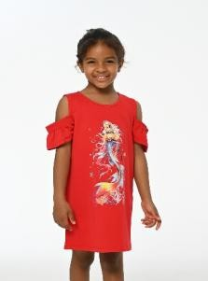 |  | PNCLP-24SUM-076 | 3 Age | 44 | ₺999.99 | PNCLP-24SUM-070 | 3.3018396226 |  |  |  |  |  |  |  |  |  |  | 46 |  |  |  | 47 | 45 | 98 | 98 | 97 | 100 | 48 | 579
 |  | PNCLP-24SUM-076 | 4 Age | 42 | ₺999.99 | PNCLP-24SUM-071 | 5.1886320755 |  |  |  |  |  |  |  |  |  |  | 37 |  |  |  | 39 | 39 | 83 | 84 | 87 | 84 | 39 | 492
 |  | PNCLP-24SUM-076 | 5 Age | 95 | ₺999.99 | PNCLP-24SUM-072 | 3.3018396226 |  |  |  |  |  |  |  |  |  |  | 37 |  |  |  | 42 | 33 | 83 | 86 | 85 | 85 | 37 | 488
 |  | PNCLP-24SUM-076 | 6 Age | 94 | ₺999.99 | PNCLP-24SUM-073 | 9.4339150943 |  |  |  |  |  |  |  |  |  |  | 53 |  |  |  | 52 | 52 | 110 | 110 | 111 | 110 | 52 | 650
 |  | PNCLP-24SUM-076 | 7 Age | 94 | ₺999.99 | PNCLP-24SUM-074 | 3.3018396226 |  |  |  |  |  |  |  |  |  |  | 41 |  |  |  | 42 | 41 | 86 | 81 | 86 | 85 | 42 | 504
 |  | PNCLP-24SUM-076 | 8 Age | 93 | ₺999.99 | PNCLP-24SUM-075 | 3.3018396226 |  |  |  |  |  |  |  |  |  |  | 31 |  |  |  | 33 | 33 | 66 | 65 | 64 | 65 | 32 | 389
 |  | PNCLP-24SUM-076 | 9 Age | 42 | ₺999.99 | PNCLP-24SUM-076 | 4.7169339623 |  |  |  |  |  |  |  |  |  |  | 43 |  |  |  | 44 | 42 | 95 | 94 | 94 | 93 | 42 | 547
 |  | PNCLP-24SUM-076 | 10 Age | 43 | ₺999.99 | PNCLP-24SUM-077 | 5.8961792453 |  |  |  |  |  |  |  |  |  |  | 45 |  |  |  | 45 | 44 | 95 | 94 | 95 | 94 | 45 | 557
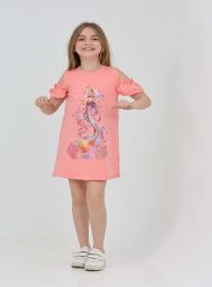 |  | PNCLP-24SUM-077 | 3 Age | 45 | ₺1,249.99 | PNCLP-24SUM-078 | 3.3018396226 |  |  |  |  |  |  |  |  |  |  | 42 |  |  |  | 44 | 42 | 83 | 84 | 86 | 88 | 44 | 513
 |  | PNCLP-24SUM-077 | 4 Age | 44 | ₺1,249.99 | PNCLP-24SUM-079 | 3.3018396226 |  |  |  |  |  |  |  |  |  |  | 42 |  |  |  | 44 | 42 | 83 | 84 | 86 | 88 | 44 | 513
 |  | PNCLP-24SUM-077 | 5 Age | 95 | ₺1,249.99 | PNCLP-24SUM-080 | 3.3018396226 |  |  |  |  |  |  |  |  |  |  | 42 |  |  |  | 44 | 42 | 83 | 84 | 86 | 88 | 44 | 513
 |  | PNCLP-24SUM-077 | 6 Age | 94 | ₺1,249.99 | PNCLP-24SUM-081 | 5.1886320755 |  |  |  |  |  |  |  |  |  |  | 29 |  |  |  | 29 | 30 | 64 | 64 | 65 | 64 | 30 | 375
 |  | PNCLP-24SUM-077 | 7 Age | 95 | ₺1,249.99 | PNCLP-24SUM-082 | 3.5376886792 |  |  |  |  |  |  |  |  |  |  | 30 |  |  |  | 30 | 29 | 66 | 61 | 64 | 65 | 30 | 375
 |  | PNCLP-24SUM-077 | 8 Age | 94 | ₺1,249.99 | PNCLP-24SUM-083 | 3.5376886792 |  |  |  |  |  |  |  |  |  |  | 32 |  |  |  | 32 | 34 | 75 | 78 | 79 | 80 | 34 | 444
 |  | PNCLP-24SUM-077 | 9 Age | 45 | ₺1,249.99 | PNCLP-24SUM-085 | 4.0093867925 |  |  |  |  |  |  |  |  |  |  | 38 |  |  |  | 36 | 38 | 83 | 82 | 82 | 81 | 38 | 478
 |  | PNCLP-24SUM-077 | 10 Age | 45 | ₺1,249.99 | PNCLP-24SUM-086 | 5.1886320755 |  |  |  |  |  |  |  |  |  |  | 28 |  |  |  | 23 | 22 | 53 | 55 | 57 | 56 | 26 | 320
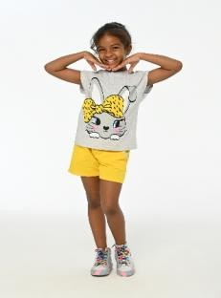 |  | PNCLP-24SUM-078 | 3 Age | 44 | ₺699.99 | PNCLP-24SUM-087 | 4.0093867925 |  |  |  |  |  |  |  |  |  |  | 27 |  |  |  | 28 | 27 | 55 | 61 | 59 | 60 | 29 | 346
 |  | PNCLP-24SUM-078 | 4 Age | 42 | ₺699.99 | PNCLP-24SUM-088 | 3.5376886792 |  |  |  |  |  |  |  |  |  |  | 46 |  |  |  | 47 | 45 | 98 | 98 | 97 | 100 | 48 | 579
 |  | PNCLP-24SUM-078 | 5 Age | 83 | ₺699.99 | PNCLP-24SUM-089 | 4.0093867925 |  |  |  |  |  |  |  |  |  |  | 32 |  |  |  | 30 | 32 | 65 | 63 | 65 | 51 | 27 | 365
 |  | PNCLP-24SUM-078 | 6 Age | 84 | ₺699.99 | PNCLP-24SUM-090 | 4.0093867925 |  |  |  |  |  |  |  |  |  |  | 32 |  |  |  | 30 | 32 | 65 | 63 | 65 | 51 | 27 | 365
 |  | PNCLP-24SUM-078 | 7 Age | 86 | ₺699.99 | PNCLP-24SUM-091 | 4.7169339623 |  |  |  |  |  |  |  |  |  |  | 31 |  |  |  | 31 | 32 | 75 | 78 | 74 | 75 | 32 | 428
 |  | PNCLP-24SUM-078 | 8 Age | 88 | ₺699.99 | PNCLP-24SUM-092 | 5.6603301887 |  |  |  |  |  |  |  |  |  |  | 32 |  |  |  | 32 | 34 | 75 | 78 | 79 | 80 | 34 | 444
 |  | PNCLP-24SUM-078 | 9 Age | 44 | ₺699.99 | PNCLP-24SUM-094 | 4.9527830189 |  |  |  |  |  |  |  |  |  |  | 32 |  |  |  | 31 | 31 | 69 | 67 | 67 | 61 | 38 | 396
 |  | PNCLP-24SUM-078 | 10 Age | 42 | ₺699.99 | PNCLP-24SUM-095 | 4.9527830189 |  |  |  |  |  |  |  |  |  |  | 30 |  |  |  | 29 | 29 | 64 | 61 | 66 | 64 | 29 | 372
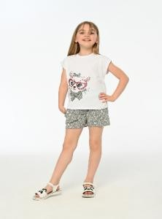 |  | PNCLP-24SUM-079 | 3 Age | 44 | ₺699.99 | PNCLP-24SUM-096 | 4.9527830189 |  |  |  |  |  |  |  |  |  |  | 34 |  |  |  | 34 | 30 | 68 | 74 | 74 | 70 | 32 | 416
 |  | PNCLP-24SUM-079 | 4 Age | 42 | ₺699.99 | PNCLP-24SUM-097 | 5.8961792453 |  |  |  |  |  |  |  |  |  |  | 31 |  |  |  | 32 | 32 | 74 | 67 | 71 | 73 | 35 | 415
 |  | PNCLP-24SUM-079 | 5 Age | 83 | ₺699.99 | PNCLP-24SUM-098 | 5.8961792453 |  |  |  |  |  |  |  |  |  |  | 31 |  |  |  | 32 | 32 | 74 | 67 | 71 | 73 | 35 | 415
 |  | PNCLP-24SUM-079 | 6 Age | 84 | ₺699.99 | PNCLP-24SUM-099 | 5.8961792453 |  |  |  |  |  |  |  |  |  |  | 31 |  |  |  | 32 | 32 | 74 | 67 | 71 | 73 | 35 | 415
 |  | PNCLP-24SUM-079 | 7 Age | 86 | ₺699.99 | PNCLP-24SUM-100 | 6.6037264151 |  |  |  |  |  |  |  |  |  |  | 30 |  |  |  | 29 | 29 | 64 | 61 | 66 | 64 | 29 | 372
 |  | PNCLP-24SUM-079 | 8 Age | 88 | ₺699.99 | PNCLPY-21-003 | 7.070754717 |  |  |  |  |  |  |  |  |  |  |  |  |  |  | 33 | 26 | 7 | 15 | 3 | 0 | 0 | 84
 |  | PNCLP-24SUM-079 | 9 Age | 44 | ₺699.99 | PNCLPY-21-004 | 7.070754717 |  |  |  |  |  |  |  |  |  |  |  |  |  |  | 48 | 29 | 47 | 32 | 30 | 32 | 17 | 235
 |  | PNCLP-24SUM-079 | 10 Age | 42 | ₺699.99 | PNCLPY-21-010 | 7.070754717 |  |  |  |  |  |  |  |  |  |  | 3 |  |  |  | 20 | 15 | 35 | 18 | 16 | 8 | 23 | 138
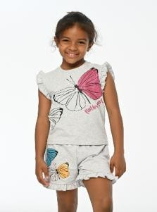 |  | PNCLP-24SUM-080 | 3 Age | 44 | ₺699.99 | PNCLPY-21-011 | 5.1886320755 |  |  |  |  |  |  |  |  |  |  |  |  |  | 7 | 5 | 22 | 17 | 12 | 22 | 10 | 1 | 96
 |  | PNCLP-24SUM-080 | 4 Age | 42 | ₺699.99 | PNCLPY-21-013 | 7.070754717 |  |  |  |  |  |  |  |  |  |  | 0 |  |  |  | 7 | 1 | 5 | 8 | 11 | 10 | 9 | 51
 |  | PNCLP-24SUM-080 | 5 Age | 83 | ₺699.99 | PNCLPY-21-016 | 7.070754717 |  |  |  |  |  |  |  |  |  |  |  |  |  | 16 | 31 | 24 | 4 | 0 | 0 | 0 | 0 | 75
 |  | PNCLP-24SUM-080 | 6 Age | 84 | ₺699.99 | PNCLPY-21-017 | 4.7169339623 |  | 0 | 27 | 24 | 4 | 29 | 26 | 28 | 35 | 26 |  |  |  |  |  |  |  |  |  |  |  | 199
 |  | PNCLP-24SUM-080 | 7 Age | 86 | ₺699.99 | PNCLPY-21-018 | 9.433490566 |  |  |  |  |  |  |  |  |  |  | 0 |  |  | 14 | 15 | 30 | 14 | 17 | 0 | 0 | 0 | 90
 |  | PNCLP-24SUM-080 | 8 Age | 88 | ₺699.99 | PNCLPY-21-025 | 7.070754717 |  |  |  |  |  |  |  |  |  |  |  |  |  | 29 | 30 | 25 | 18 | 5 | 14 | 1 |  | 122
 |  | PNCLP-24SUM-080 | 9 Age | 44 | ₺699.99 | PNCLPY-21-026 | 9.433490566 |  |  |  |  |  |  |  |  |  |  |  |  |  |  | 17 | 14 | 12 | 6 | 2 | 0 | 0 | 51
 |  | PNCLP-24SUM-080 | 10 Age | 42 | ₺699.99 | PNCLPY-21-032 | 4.7169339623 |  | 0 | 0 | 0 | 0 | 0 | 11 | 12 | 21 | 12 |  |  |  |  |  |  |  |  |  |  |  | 56
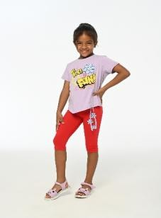 |  | PNCLP-24SUM-081 | 3 Age | 29 | ₺1,099.99 | PNCLPY-21Y1-031 | 4.7169339623 |  | 0 | 0 | 0 | 0 | 0 | 0 | 18 | 19 | 7 |  |  |  |  |  |  |  |  |  |  |  | 44
 |  | PNCLP-24SUM-081 | 4 Age | 30 | ₺1,099.99 | PNCZN-SS-071 | 5.1886320755 |  |  |  |  |  |  |  |  |  |  |  |  |  | 20 | 21 | 11 | 9 | 3 | 0 | 0 | 0 | 64
 |  | PNCLP-24SUM-081 | 5 Age | 64 | ₺1,099.99 | PNCZN-SS-145 | 9.433490566 |  |  |  |  |  |  |  |  |  |  |  |  |  | 4 | 7 | 7 | 9 | 0 | 0 | 0 |  | 27
 |  | PNCLP-24SUM-081 | 6 Age | 64 | ₺1,099.99 | Grand Total |  | 71 | 74 | 84 | 66 | 22 | 64 | 100 | 131 | 122 | 45 | 3630 | 22 | 14 | 160 | 4458 | 4577 | 8823 | 9006 | 9030 | 8897 | 4570 | 53966
 |  | PNCLP-24SUM-081 | 7 Age | 65 | ₺1,099.99
 |  | PNCLP-24SUM-081 | 8 Age | 64 | ₺1,099.99
 |  | PNCLP-24SUM-081 | 9 Age | 30 | ₺1,099.99
 |  | PNCLP-24SUM-081 | 10 Age | 29 | ₺1,099.99
 |  | PNCLP-24SUM-082 | 3 Age | 30 | ₺749.99
 |  | PNCLP-24SUM-082 | 4 Age | 29 | ₺749.99
 |  | PNCLP-24SUM-082 | 5 Age | 66 | ₺749.99
 |  | PNCLP-24SUM-082 | 6 Age | 61 | ₺749.99
 |  | PNCLP-24SUM-082 | 7 Age | 64 | ₺749.99
 |  | PNCLP-24SUM-082 | 8 Age | 65 | ₺749.99
 |  | PNCLP-24SUM-082 | 9 Age | 30 | ₺749.99
 |  | PNCLP-24SUM-082 | 10 Age | 30 | ₺749.99
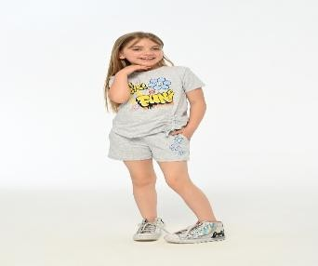 |  | PNCLP-24SUM-083 | 3 Age | 32 | ₺749.99
 |  | PNCLP-24SUM-083 | 4 Age | 34 | ₺749.99
 |  | PNCLP-24SUM-083 | 5 Age | 75 | ₺749.99
 |  | PNCLP-24SUM-083 | 6 Age | 78 | ₺749.99
 |  | PNCLP-24SUM-083 | 7 Age | 79 | ₺749.99
 |  | PNCLP-24SUM-083 | 8 Age | 80 | ₺749.99
 |  | PNCLP-24SUM-083 | 9 Age | 34 | ₺749.99
 |  | PNCLP-24SUM-083 | 10 Age | 32 | ₺749.99
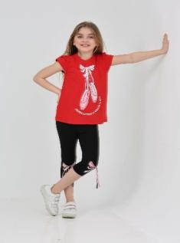 |  | PNCLP-24SUM-068 | 3 Age | 43 | ₺1,499.00
 |  | PNCLP-24SUM-068 | 4 Age | 43 | ₺1,499.00
 |  | PNCLP-24SUM-068 | 5 Age | 93 | ₺1,499.00
 |  | PNCLP-24SUM-068 | 6 Age | 94 | ₺1,499.00
 |  | PNCLP-24SUM-068 | 7 Age | 93 | ₺1,499.00
 |  | PNCLP-24SUM-068 | 8 Age | 94 | ₺1,499.00
 |  | PNCLP-24SUM-068 | 9 Age | 45 | ₺1,499.00
 |  | PNCLP-24SUM-068 | 10 Age | 44 | ₺1,499.00
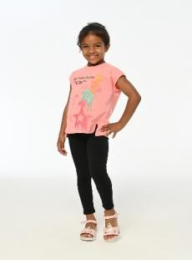 |  | PNCLP-24SUM-085 | 3 Age | 36 | ₺849.99
 |  | PNCLP-24SUM-085 | 4 Age | 38 | ₺849.99
 |  | PNCLP-24SUM-085 | 5 Age | 83 | ₺849.99
 |  | PNCLP-24SUM-085 | 6 Age | 82 | ₺849.99
 |  | PNCLP-24SUM-085 | 7 Age | 82 | ₺849.99
 |  | PNCLP-24SUM-085 | 8 Age | 81 | ₺849.99
 |  | PNCLP-24SUM-085 | 9 Age | 38 | ₺849.99
 |  | PNCLP-24SUM-085 | 10 Age | 38 | ₺849.99
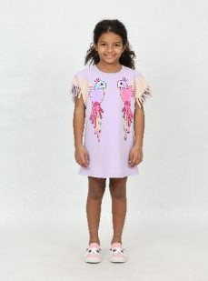 |  | PNCLP-24SUM-086 | 3 Age | 23 | ₺1,099.99
 |  | PNCLP-24SUM-086 | 4 Age | 22 | ₺1,099.99
 |  | PNCLP-24SUM-086 | 5 Age | 53 | ₺1,099.99
 |  | PNCLP-24SUM-086 | 6 Age | 55 | ₺1,099.99
 |  | PNCLP-24SUM-086 | 7 Age | 57 | ₺1,099.99
 |  | PNCLP-24SUM-086 | 8 Age | 56 | ₺1,099.99
 |  | PNCLP-24SUM-086 | 9 Age | 26 | ₺1,099.99
 |  | PNCLP-24SUM-086 | 10 Age | 28 | ₺1,099.99
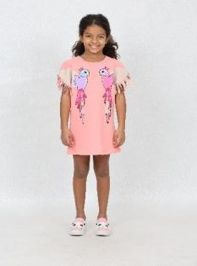 |  | PNCLP-24SUM-087 | 3 Age | 28 | ₺849.99
 |  | PNCLP-24SUM-087 | 4 Age | 27 | ₺849.99
 |  | PNCLP-24SUM-087 | 5 Age | 55 | ₺849.99
 |  | PNCLP-24SUM-087 | 6 Age | 61 | ₺849.99
 |  | PNCLP-24SUM-087 | 7 Age | 59 | ₺849.99
 |  | PNCLP-24SUM-087 | 8 Age | 60 | ₺849.99
 |  | PNCLP-24SUM-087 | 9 Age | 29 | ₺849.99
 |  | PNCLP-24SUM-087 | 10 Age | 27 | ₺849.99
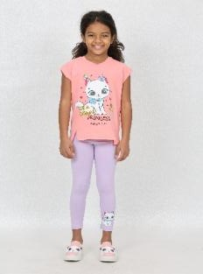 |  | PNCLP-24SUM-088 | 3 Age | 47 | ₺749.99
 |  | PNCLP-24SUM-088 | 4 Age | 45 | ₺749.99
 |  | PNCLP-24SUM-088 | 5 Age | 98 | ₺749.99
 |  | PNCLP-24SUM-088 | 6 Age | 98 | ₺749.99
 |  | PNCLP-24SUM-088 | 7 Age | 97 | ₺749.99
 |  | PNCLP-24SUM-088 | 8 Age | 100 | ₺749.99
 |  | PNCLP-24SUM-088 | 9 Age | 48 | ₺749.99
 |  | PNCLP-24SUM-088 | 10 Age | 46 | ₺749.99
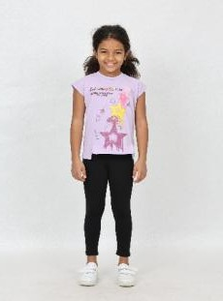 |  | PNCLP-24SUM-089 | 3 Age | 30 | ₺849.99
 |  | PNCLP-24SUM-089 | 4 Age | 32 | ₺849.99
 |  | PNCLP-24SUM-089 | 5 Age | 65 | ₺849.99
 |  | PNCLP-24SUM-089 | 6 Age | 63 | ₺849.99
 |  | PNCLP-24SUM-089 | 7 Age | 65 | ₺849.99
 |  | PNCLP-24SUM-089 | 8 Age | 51 | ₺849.99
 |  | PNCLP-24SUM-089 | 9 Age | 27 | ₺849.99
 |  | PNCLP-24SUM-089 | 10 Age | 32 | ₺849.99
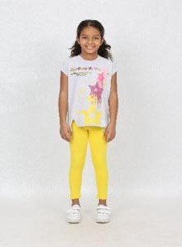 |  | PNCLP-24SUM-090 | 3 Age | 30 | ₺849.99
 |  | PNCLP-24SUM-090 | 4 Age | 32 | ₺849.99
 |  | PNCLP-24SUM-090 | 5 Age | 65 | ₺849.99
 |  | PNCLP-24SUM-090 | 6 Age | 63 | ₺849.99
 |  | PNCLP-24SUM-090 | 7 Age | 65 | ₺849.99
 |  | PNCLP-24SUM-090 | 8 Age | 51 | ₺849.99
 |  | PNCLP-24SUM-090 | 9 Age | 27 | ₺849.99
 |  | PNCLP-24SUM-090 | 10 Age | 32 | ₺849.99
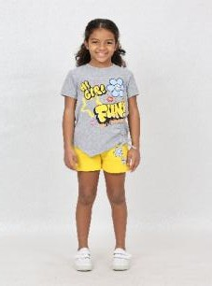 |  | PNCLP-24SUM-091 | 3 Age | 31 | ₺999.99
 |  | PNCLP-24SUM-091 | 4 Age | 32 | ₺999.99
 |  | PNCLP-24SUM-091 | 5 Age | 75 | ₺999.99
 |  | PNCLP-24SUM-091 | 6 Age | 78 | ₺999.99
 |  | PNCLP-24SUM-091 | 7 Age | 74 | ₺999.99
 |  | PNCLP-24SUM-091 | 8 Age | 75 | ₺999.99
 |  | PNCLP-24SUM-091 | 9 Age | 32 | ₺999.99
 |  | PNCLP-24SUM-091 | 10 Age | 31 | ₺999.99
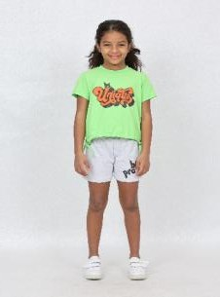 |  | PNCLP-24SUM-092 | 3 Age | 32 | ₺1,199.99
 |  | PNCLP-24SUM-092 | 4 Age | 34 | ₺1,199.99
 |  | PNCLP-24SUM-092 | 5 Age | 75 | ₺1,199.99
 |  | PNCLP-24SUM-092 | 6 Age | 78 | ₺1,199.99
 |  | PNCLP-24SUM-092 | 7 Age | 79 | ₺1,199.99
 |  | PNCLP-24SUM-092 | 8 Age | 80 | ₺1,199.99
 |  | PNCLP-24SUM-092 | 9 Age | 34 | ₺1,199.99
 |  | PNCLP-24SUM-092 | 10 Age | 32 | ₺1,199.99
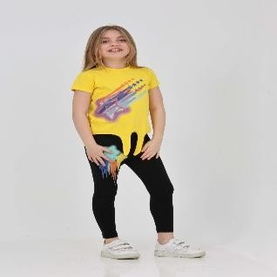 |  | PNCLP-24SUM-094 | 3 Age | 31 | ₺1,049.99
 |  | PNCLP-24SUM-094 | 4 Age | 31 | ₺1,049.99
 |  | PNCLP-24SUM-094 | 5 Age | 69 | ₺1,049.99
 |  | PNCLP-24SUM-094 | 6 Age | 67 | ₺1,049.99
 |  | PNCLP-24SUM-094 | 7 Age | 67 | ₺1,049.99
 |  | PNCLP-24SUM-094 | 8 Age | 61 | ₺1,049.99
 |  | PNCLP-24SUM-094 | 9 Age | 38 | ₺1,049.99
 |  | PNCLP-24SUM-094 | 10 Age | 32 | ₺1,049.99
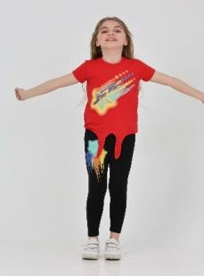 |  | PNCLP-24SUM-095 | 3 Age | 29 | ₺1,049.99
 |  | PNCLP-24SUM-095 | 4 Age | 29 | ₺1,049.99
 |  | PNCLP-24SUM-095 | 5 Age | 64 | ₺1,049.99
 |  | PNCLP-24SUM-095 | 6 Age | 61 | ₺1,049.99
 |  | PNCLP-24SUM-095 | 7 Age | 66 | ₺1,049.99
 |  | PNCLP-24SUM-095 | 8 Age | 64 | ₺1,049.99
 |  | PNCLP-24SUM-095 | 9 Age | 29 | ₺1,049.99
 |  | PNCLP-24SUM-095 | 10 Age | 30 | ₺1,049.99
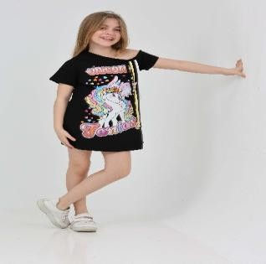 |  | PNCLP-24SUM-096 | 3 Age | 34 | ₺1,049.99
 |  | PNCLP-24SUM-096 | 4 Age | 30 | ₺1,049.99
 |  | PNCLP-24SUM-096 | 5 Age | 68 | ₺1,049.99
 |  | PNCLP-24SUM-096 | 6 Age | 74 | ₺1,049.99
 |  | PNCLP-24SUM-096 | 7 Age | 74 | ₺1,049.99
 |  | PNCLP-24SUM-096 | 8 Age | 70 | ₺1,049.99
 |  | PNCLP-24SUM-096 | 9 Age | 32 | ₺1,049.99
 |  | PNCLP-24SUM-096 | 10 Age | 34 | ₺1,049.99
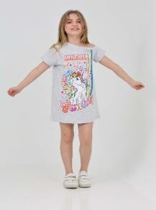 |  | PNCLP-24SUM-097 | 3 Age | 32 | ₺1,249.99
 |  | PNCLP-24SUM-097 | 4 Age | 32 | ₺1,249.99
 |  | PNCLP-24SUM-097 | 5 Age | 74 | ₺1,249.99
 |  | PNCLP-24SUM-097 | 6 Age | 67 | ₺1,249.99
 |  | PNCLP-24SUM-097 | 7 Age | 71 | ₺1,249.99
 |  | PNCLP-24SUM-097 | 8 Age | 73 | ₺1,249.99
 |  | PNCLP-24SUM-097 | 9 Age | 35 | ₺1,249.99
 |  | PNCLP-24SUM-097 | 10 Age | 31 | ₺1,249.99
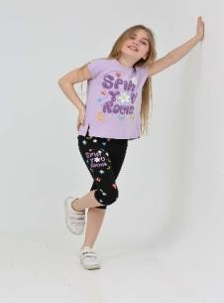 |  | PNCLP-24SUM-098 | 3 Age | 32 | ₺1,249.99
 |  | PNCLP-24SUM-098 | 4 Age | 32 | ₺1,249.99
 |  | PNCLP-24SUM-098 | 5 Age | 74 | ₺1,249.99
 |  | PNCLP-24SUM-098 | 6 Age | 67 | ₺1,249.99
 |  | PNCLP-24SUM-098 | 7 Age | 71 | ₺1,249.99
 |  | PNCLP-24SUM-098 | 8 Age | 73 | ₺1,249.99
 |  | PNCLP-24SUM-098 | 9 Age | 35 | ₺1,249.99
 |  | PNCLP-24SUM-098 | 10 Age | 31 | ₺1,249.99
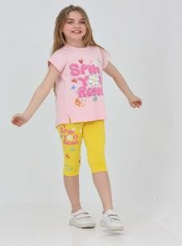 |  | PNCLP-24SUM-099 | 3 Age | 32 | ₺1,249.99
 |  | PNCLP-24SUM-099 | 4 Age | 32 | ₺1,249.99
 |  | PNCLP-24SUM-099 | 5 Age | 74 | ₺1,249.99
 |  | PNCLP-24SUM-099 | 6 Age | 67 | ₺1,249.99
 |  | PNCLP-24SUM-099 | 7 Age | 71 | ₺1,249.99
 |  | PNCLP-24SUM-099 | 8 Age | 73 | ₺1,249.99
 |  | PNCLP-24SUM-099 | 9 Age | 35 | ₺1,249.99
 |  | PNCLP-24SUM-099 | 10 Age | 31 | ₺1,249.99
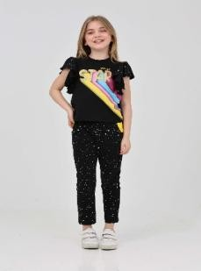 |  | PNCLP-24SUM-100 | 3 Age | 29 | ₺1,399.99
 |  | PNCLP-24SUM-100 | 4 Age | 29 | ₺1,399.99
 |  | PNCLP-24SUM-100 | 5 Age | 64 | ₺1,399.99
 |  | PNCLP-24SUM-100 | 6 Age | 61 | ₺1,399.99
 |  | PNCLP-24SUM-100 | 7 Age | 66 | ₺1,399.99
 |  | PNCLP-24SUM-100 | 8 Age | 64 | ₺1,399.99
 |  | PNCLP-24SUM-100 | 9 Age | 29 | ₺1,399.99
 |  | PNCLP-24SUM-100 | 10 Age | 30 | ₺1,399.99
 | Ballerina Pink Girl Tights Set | PNCLP-24SUM-068 | 9 Age | 45 | ₺1,499.00
 | Ballerina Pink Girl Tights Set | PNCLP-24SUM-068 | 8 Age | 94 | ₺1,499.00
 | Ballerina Pink Girl Tights Set | PNCLP-24SUM-068 | 7 Age | 93 | ₺1,499.00
 | Ballerina Pink Girl Tights Set | PNCLP-24SUM-068 | 6 Age | 94 | ₺1,499.00
 | Ballerina Pink Girl Tights Set | PNCLP-24SUM-068 | 5 Age | 93 | ₺1,499.00
 | Ballerina Pink Girl Tights Set | PNCLP-24SUM-068 | 4 Age | 43 | ₺1,499.00
 | Ballerina Pink Girl Tights Set | PNCLP-24SUM-068 | 3 Age | 43 | ₺1,499.00
 | Ballerina Pink Girl Tights Set | PNCLP-24SUM-068 | 10 Age | 44 | ₺1,499.00
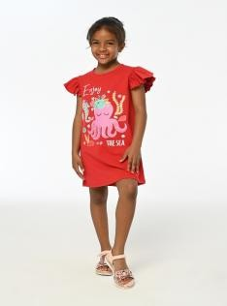 | Sleeping Octopus Pink Girls' Dress | PNCLP-24SUM-067 | 5 Age | 60 | ₺1,999.90
 | Sleeping Octopus Pink Girls' Dress | PNCLP-24SUM-067 | 4 Age | 35 | ₺1,999.90
 | Sleeping Octopus Pink Girls' Dress | PNCLP-24SUM-067 | 3 Age | 18 | ₺1,999.90
 | Sleeping Octopus Pink Girls' Dress | PNCLP-24SUM-067 | 10 Age | 28 | ₺1,999.90
 | Sleeping Octopus Pink Girls' Dress | PNCLP-24SUM-067 | 9 Age | 29 | ₺1,999.90
 | Sleeping Octopus Pink Girls' Dress | PNCLP-24SUM-067 | 8 Age | 58 | ₺1,999.90
 | Sleeping Octopus Pink Girls' Dress | PNCLP-24SUM-067 | 7 Age | 58 | ₺1,999.90
 | Sleeping Octopus Pink Girls' Dress | PNCLP-24SUM-067 | 6 Age | 58 | ₺1,999.90
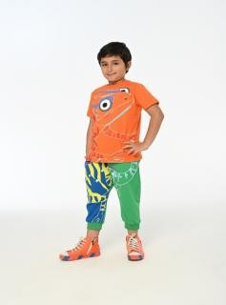 | Chameleon Colorful Boy's Capri Set | PNCLP-24SUM-065 | 9 Age | 0 | ₺1,499.00
 | Chameleon Colorful Boy's Capri Set | PNCLP-24SUM-065 | 8 Age | 38 | ₺1,499.00
 | Chameleon Colorful Boy's Capri Set | PNCLP-24SUM-065 | 7 Age | 38 | ₺1,499.00
 | Chameleon Colorful Boy's Capri Set | PNCLP-24SUM-065 | 6 Age | 38 | ₺1,499.00
 | Chameleon Colorful Boy's Capri Set | PNCLP-24SUM-065 | 5 Age | 38 | ₺1,499.00
 | Chameleon Colorful Boy's Capri Set | PNCLP-24SUM-065 | 4 Age | 0 | ₺1,499.00
 | Chameleon Colorful Boy's Capri Set | PNCLP-24SUM-065 | 3 Age | 0 | ₺1,499.00
 | Chameleon Colorful Boy's Capri Set | PNCLP-24SUM-065 | 10 Age | 0 | ₺1,499.00
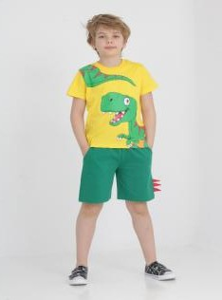 | Big Dino Yellow Men's Shorts Set | PNCLP-24SUM-064 | 5 Age | 75 | ₺1,499.00
 | Big Dino Yellow Men's Shorts Set | PNCLP-24SUM-064 | 4 Age | 25 | ₺1,499.00
 | Big Dino Yellow Men's Shorts Set | PNCLP-24SUM-064 | 3 Age | 25 | ₺1,499.00
 | Big Dino Yellow Men's Shorts Set | PNCLP-24SUM-064 | 10 Age | 25 | ₺1,499.00
 | Big Dino Yellow Men's Shorts Set | PNCLP-24SUM-064 | 9 Age | 25 | ₺1,499.00
 | Big Dino Yellow Men's Shorts Set | PNCLP-24SUM-064 | 8 Age | 75 | ₺1,499.00
 | Big Dino Yellow Men's Shorts Set | PNCLP-24SUM-064 | 7 Age | 75 | ₺1,499.00
 | Big Dino Yellow Men's Shorts Set | PNCLP-24SUM-064 | 6 Age | 75 | ₺1,499.00
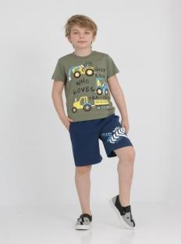 | Who Loves Khaki Men's Shorts Set | PNCLP-24SUM-063 | 5 Age | 135 | ₺1,499.00
 | Who Loves Khaki Men's Shorts Set | PNCLP-24SUM-063 | 4 Age | 45 | ₺1,499.00
 | Who Loves Khaki Men's Shorts Set | PNCLP-24SUM-063 | 3 Age | 45 | ₺1,499.00
 | Who Loves Khaki Men's Shorts Set | PNCLP-24SUM-063 | 10 Age | 45 | ₺1,499.00
 | Who Loves Khaki Men's Shorts Set | PNCLP-24SUM-063 | 9 Age | 45 | ₺1,499.00
 | Who Loves Khaki Men's Shorts Set | PNCLP-24SUM-063 | 8 Age | 135 | ₺1,499.00
 | Who Loves Khaki Men's Shorts Set | PNCLP-24SUM-063 | 7 Age | 135 | ₺1,499.00
 | Who Loves Khaki Men's Shorts Set | PNCLP-24SUM-063 | 6 Age | 135 | ₺1,499.00
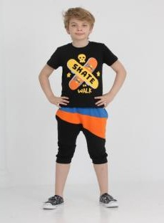 | New Lets Walk Black Boy Child Capri Set | PNCLP-24SUM-062 | 9 Age | 38 | ₺1,499.00
 | New Lets Walk Black Boy Child Capri Set | PNCLP-24SUM-062 | 8 Age | 113 | ₺1,499.00
 | New Lets Walk Black Boy Child Capri Set | PNCLP-24SUM-062 | 7 Age | 113 | ₺1,499.00
 | New Lets Walk Black Boy Child Capri Set | PNCLP-24SUM-062 | 6 Age | 113 | ₺1,499.00
 | New Lets Walk Black Boy Child Capri Set | PNCLP-24SUM-062 | 5 Age | 113 | ₺1,499.00
 | New Lets Walk Black Boy Child Capri Set | PNCLP-24SUM-062 | 4 Age | 38 | ₺1,499.00
 | New Lets Walk Black Boy Child Capri Set | PNCLP-24SUM-062 | 3 Age | 38 | ₺1,499.00
 | New Lets Walk Black Boy Child Capri Set | PNCLP-24SUM-062 | 10 Age | 38 | ₺1,499.00
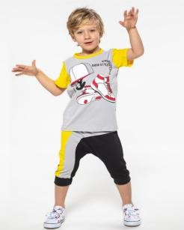 | Skaters Team Black Boy Capri Set | PNCLP-24SUM-061 | 5 Age | 135 | ₺1,499.00
 | Skaters Team Black Boy Capri Set | PNCLP-24SUM-061 | 4 Age | 45 | ₺1,499.00
 | Skaters Team Black Boy Capri Set | PNCLP-24SUM-061 | 3 Age | 45 | ₺1,499.00
 | Skaters Team Black Boy Capri Set | PNCLP-24SUM-061 | 10 Age | 45 | ₺1,499.00
 | Skaters Team Black Boy Capri Set | PNCLP-24SUM-061 | 9 Age | 45 | ₺1,499.00
 | Skaters Team Black Boy Capri Set | PNCLP-24SUM-061 | 8 Age | 135 | ₺1,499.00
 | Skaters Team Black Boy Capri Set | PNCLP-24SUM-061 | 7 Age | 135 | ₺1,499.00
 | Skaters Team Black Boy Capri Set | PNCLP-24SUM-061 | 6 Age | 135 | ₺1,499.00
 | Camellia Strappy Yellow Summer Girl's Dress | PNCLP-24SUM-060 | 7 Age | 94 | ₺1,999.90
 | Camellia Strappy Yellow Summer Girl's Dress | PNCLP-24SUM-060 | 6 Age | 42 | ₺1,999.90
 | Camellia Strappy Yellow Summer Girl's Dress | PNCLP-24SUM-060 | 5 Age | 42 | ₺1,999.90
 | Camellia Strappy Yellow Summer Girl's Dress | PNCLP-24SUM-060 | 10 Age | 92 | ₺1,999.90
 | Camellia Strappy Yellow Summer Girl's Dress | PNCLP-24SUM-060 | 9 Age | 90 | ₺1,999.90
 | Camellia Strappy Yellow Summer Girl's Dress | PNCLP-24SUM-060 | 8 Age | 85 | ₺1,999.90
 | Ebru Strappy Water Blue Summer Girl Dress | PNCLP-24SUM-057 | 7 Age | 8 | ₺1,999.90
 | Ebru Strappy Water Blue Summer Girl Dress | PNCLP-24SUM-057 | 6 Age | 3 | ₺1,999.90
 | Ebru Strappy Water Blue Summer Girl Dress | PNCLP-24SUM-057 | 8 Age | 10 | ₺1,999.90
 | Ebru Strappy Water Blue Summer Girl Dress | PNCLP-24SUM-057 | 9 Age | 7 | ₺1,999.90
 | Ebru Strappy Water Blue Summer Girl Dress | PNCLP-24SUM-057 | 10 Age | 9 | ₺1,999.90
 | Camellia Strappy Pink Summer Girl Dress | PNCLP-24SUM-056 | 7 Age | 54 | ₺1,999.90
 | Camellia Strappy Pink Summer Girl Dress | PNCLP-24SUM-056 | 6 Age | 46 | ₺1,999.90
 | Camellia Strappy Pink Summer Girl Dress | PNCLP-24SUM-056 | 5 Age | 27 | ₺1,999.90
...
Photo | Model Name | Item Code | Age | Qty | Turkish RRP
 | Camellia Strappy Pink Summer Girl Dress | PNCLP-24SUM-056 | 10 Age | 55 | ₺1,999.90
 | Camellia Strappy Pink Summer Girl Dress | PNCLP-24SUM-056 | 8 Age | 56 | ₺1,999.90
 | Magnolia Strappy Pink Summer Girl's Dress | PNCLP-24SUM-055 | 7 Age | 32 | ₺1,999.90
 | Magnolia Strappy Pink Summer Girl's Dress | PNCLP-24SUM-055 | 6 Age | 15 | ₺1,999.90
 | Magnolia Strappy Pink Summer Girl's Dress | PNCLP-24SUM-055 | 5 Age | 14 | ₺1,999.90
 | Magnolia Strappy Pink Summer Girl's Dress | PNCLP-24SUM-055 | 4 Age | 0 | ₺1,999.90
 | Magnolia Strappy Pink Summer Girl's Dress | PNCLP-24SUM-055 | 9 Age | 29 | ₺1,999.90
 | Magnolia Strappy Pink Summer Girl's Dress | PNCLP-24SUM-055 | 10 Age | 32 | ₺1,999.90
 | Magnolia Strappy Pink Summer Girl's Dress | PNCLP-24SUM-055 | 8 Age | 31 | ₺1,999.90
 | Magnolia Strappy Pink Summer Girl's Dress | PNCLP-24SUM-055 | 3 Age | 0 | ₺1,999.90
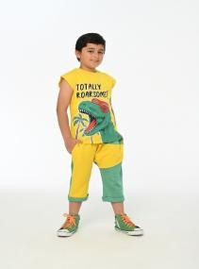 | New Totally Blue Boy Child Capri Set | PNCLP-24SUM-054 | 9 Age | 39 | ₺1,499.00
 | New Totally Blue Boy Child Capri Set | PNCLP-24SUM-054 | 8 Age | 78 | ₺1,499.00
 | New Totally Blue Boy Child Capri Set | PNCLP-24SUM-054 | 7 Age | 90 | ₺1,499.00
 | New Totally Blue Boy Child Capri Set | PNCLP-24SUM-054 | 6 Age | 80 | ₺1,499.00
 | New Totally Blue Boy Child Capri Set | PNCLP-24SUM-054 | 5 Age | 78 | ₺1,499.00
 | New Totally Blue Boy Child Capri Set | PNCLP-24SUM-054 | 4 Age | 39 | ₺1,499.00
 | New Totally Blue Boy Child Capri Set | PNCLP-24SUM-054 | 3 Age | 38 | ₺1,499.00
 | New Totally Blue Boy Child Capri Set | PNCLP-24SUM-054 | 10 Age | 39 | ₺1,499.00
 | New Totally Green Boys' Capri Set | PNCLP-24SUM-053 | 6 Age | 98 | ₺1,499.00
 | New Totally Green Boys' Capri Set | PNCLP-24SUM-053 | 5 Age | 92 | ₺1,499.00
 | New Totally Green Boys' Capri Set | PNCLP-24SUM-053 | 4 Age | 47 | ₺1,499.00
 | New Totally Green Boys' Capri Set | PNCLP-24SUM-053 | 3 Age | 48 | ₺1,499.00
 | New Totally Green Boys' Capri Set | PNCLP-24SUM-053 | 10 Age | 46 | ₺1,499.00
 | New Totally Green Boys' Capri Set | PNCLP-24SUM-053 | 9 Age | 52 | ₺1,499.00
 | New Totally Green Boys' Capri Set | PNCLP-24SUM-053 | 8 Age | 95 | ₺1,499.00
 | New Totally Green Boys' Capri Set | PNCLP-24SUM-053 | 7 Age | 97 | ₺1,499.00
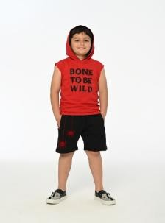 | Hooded Sleeveless Red Men's Shorts Set | PNCLP-24SUM-052 | 9 Age | 28 | ₺1,499.00
 | Hooded Sleeveless Red Men's Shorts Set | PNCLP-24SUM-052 | 8 Age | 55 | ₺1,499.00
 | Hooded Sleeveless Red Men's Shorts Set | PNCLP-24SUM-052 | 7 Age | 55 | ₺1,499.00
 | Hooded Sleeveless Red Men's Shorts Set | PNCLP-24SUM-052 | 6 Age | 55 | ₺1,499.00
 | Hooded Sleeveless Red Men's Shorts Set | PNCLP-24SUM-052 | 5 Age | 54 | ₺1,499.00
 | Hooded Sleeveless Red Men's Shorts Set | PNCLP-24SUM-052 | 4 Age | 28 | ₺1,499.00
 | Hooded Sleeveless Red Men's Shorts Set | PNCLP-24SUM-052 | 3 Age | 27 | ₺1,499.00
 | Hooded Sleeveless Red Men's Shorts Set | PNCLP-24SUM-052 | 10 Age | 27 | ₺1,499.00
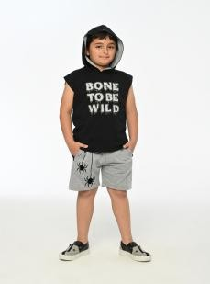 | Hooded Sleeveless Black Men's Shorts Set | PNCLP-24SUM-051 | 9 Age | 27 | ₺1,499.00
 | Hooded Sleeveless Black Men's Shorts Set | PNCLP-24SUM-051 | 8 Age | 54 | ₺1,499.00
 | Hooded Sleeveless Black Men's Shorts Set | PNCLP-24SUM-051 | 7 Age | 56 | ₺1,499.00
 | Hooded Sleeveless Black Men's Shorts Set | PNCLP-24SUM-051 | 6 Age | 56 | ₺1,499.00
 | Hooded Sleeveless Black Men's Shorts Set | PNCLP-24SUM-051 | 5 Age | 57 | ₺1,499.00
 | Hooded Sleeveless Black Men's Shorts Set | PNCLP-24SUM-051 | 4 Age | 30 | ₺1,499.00
 | Hooded Sleeveless Black Men's Shorts Set | PNCLP-24SUM-051 | 3 Age | 24 | ₺1,499.00
 | Hooded Sleeveless Black Men's Shorts Set | PNCLP-24SUM-051 | 10 Age | 27 | ₺1,499.00
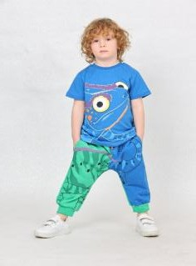 | Chameleon Sax Boy Child Capri Set | PNCLP-24SUM-050 | 5 Age | 62 | ₺1,499.00
 | Chameleon Sax Boy Child Capri Set | PNCLP-24SUM-050 | 4 Age | 37 | ₺1,499.00
 | Chameleon Sax Boy Child Capri Set | PNCLP-24SUM-050 | 3 Age | 36 | ₺1,499.00
 | Chameleon Sax Boy Child Capri Set | PNCLP-24SUM-050 | 10 Age | 37 | ₺1,499.00
 | Chameleon Sax Boy Child Capri Set | PNCLP-24SUM-050 | 9 Age | 38 | ₺1,499.00
 | Chameleon Sax Boy Child Capri Set | PNCLP-24SUM-050 | 8 Age | 74 | ₺1,499.00
 | Chameleon Sax Boy Child Capri Set | PNCLP-24SUM-050 | 7 Age | 80 | ₺1,499.00
 | Chameleon Sax Boy Child Capri Set | PNCLP-24SUM-050 | 6 Age | 77 | ₺1,499.00
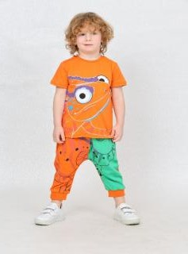 | Chameleon Orange Boy Capri Set | PNCLP-24SUM-049 | 9 Age | 37 | ₺1,499.00
 | Chameleon Orange Boy Capri Set | PNCLP-24SUM-049 | 8 Age | 69 | ₺1,499.00
 | Chameleon Orange Boy Capri Set | PNCLP-24SUM-049 | 7 Age | 72 | ₺1,499.00
 | Chameleon Orange Boy Capri Set | PNCLP-24SUM-049 | 6 Age | 70 | ₺1,499.00
 | Chameleon Orange Boy Capri Set | PNCLP-24SUM-049 | 5 Age | 73 | ₺1,499.00
 | Chameleon Orange Boy Capri Set | PNCLP-24SUM-049 | 4 Age | 36 | ₺1,499.00
 | Chameleon Orange Boy Capri Set | PNCLP-24SUM-049 | 3 Age | 38 | ₺1,499.00
 | Chameleon Orange Boy Capri Set | PNCLP-24SUM-049 | 10 Age | 36 | ₺1,499.00
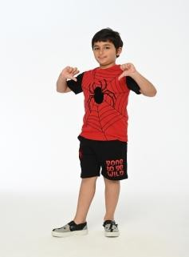 | Spider Boy Red Men's Shorts Set | PNCLP-24SUM-048 | 6 Age | 55 | ₺1,499.00
 | Spider Boy Red Men's Shorts Set | PNCLP-24SUM-048 | 5 Age | 60 | ₺1,499.00
 | Spider Boy Red Men's Shorts Set | PNCLP-24SUM-048 | 4 Age | 34 | ₺1,499.00
 | Spider Boy Red Men's Shorts Set | PNCLP-24SUM-048 | 3 Age | 31 | ₺1,499.00
 | Spider Boy Red Men's Shorts Set | PNCLP-24SUM-048 | 10 Age | 29 | ₺1,499.00
 | Spider Boy Red Men's Shorts Set | PNCLP-24SUM-048 | 9 Age | 32 | ₺1,499.00
 | Spider Boy Red Men's Shorts Set | PNCLP-24SUM-048 | 8 Age | 59 | ₺1,499.00
 | Spider Boy Red Men's Shorts Set | PNCLP-24SUM-048 | 7 Age | 61 | ₺1,499.00
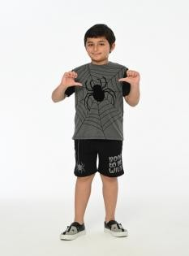 | Spider Boy Anthracite Men's Shorts Set | PNCLP-24SUM-047 | 9 Age | 29 | ₺1,499.00
 | Spider Boy Anthracite Men's Shorts Set | PNCLP-24SUM-047 | 8 Age | 63 | ₺1,499.00
 | Spider Boy Anthracite Men's Shorts Set | PNCLP-24SUM-047 | 7 Age | 57 | ₺1,499.00
 | Spider Boy Anthracite Men's Shorts Set | PNCLP-24SUM-047 | 6 Age | 61 | ₺1,499.00
 | Spider Boy Anthracite Men's Shorts Set | PNCLP-24SUM-047 | 5 Age | 58 | ₺1,499.00
 | Spider Boy Anthracite Men's Shorts Set | PNCLP-24SUM-047 | 4 Age | 27 | ₺1,499.00
 | Spider Boy Anthracite Men's Shorts Set | PNCLP-24SUM-047 | 3 Age | 34 | ₺1,499.00
 | Spider Boy Anthracite Men's Shorts Set | PNCLP-24SUM-047 | 10 Age | 29 | ₺1,499.00
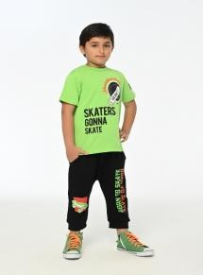 | Born To Skate Green Boy Capri Set | PNCLP-24SUM-045 | 9 Age | 40 | ₺1,499.00
 | Born To Skate Green Boy Capri Set | PNCLP-24SUM-045 | 8 Age | 72 | ₺1,499.00
 | Born To Skate Green Boy Capri Set | PNCLP-24SUM-045 | 7 Age | 74 | ₺1,499.00
 | Born To Skate Green Boy Capri Set | PNCLP-24SUM-045 | 6 Age | 77 | ₺1,499.00
 | Born To Skate Green Boy Capri Set | PNCLP-24SUM-045 | 5 Age | 76 | ₺1,499.00
 | Born To Skate Green Boy Capri Set | PNCLP-24SUM-045 | 4 Age | 37 | ₺1,499.00
 | Born To Skate Green Boy Capri Set | PNCLP-24SUM-045 | 3 Age | 39 | ₺1,499.00
 | Born To Skate Green Boy Capri Set | PNCLP-24SUM-045 | 10 Age | 38 | ₺1,499.00
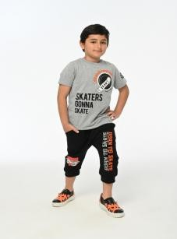 | Born To Skate Gray Boy Capri Set | PNCLP-24SUM-044 | 3 Age | 24 | ₺1,499.00
 | Born To Skate Gray Boy Capri Set | PNCLP-24SUM-044 | 10 Age | 25 | ₺1,499.00
 | Born To Skate Gray Boy Capri Set | PNCLP-24SUM-044 | 9 Age | 27 | ₺1,499.00
 | Born To Skate Gray Boy Capri Set | PNCLP-24SUM-044 | 8 Age | 51 | ₺1,499.00
 | Born To Skate Gray Boy Capri Set | PNCLP-24SUM-044 | 7 Age | 51 | ₺1,499.00
 | Born To Skate Gray Boy Capri Set | PNCLP-24SUM-044 | 6 Age | 54 | ₺1,499.00
 | Born To Skate Gray Boy Capri Set | PNCLP-24SUM-044 | 5 Age | 54 | ₺1,499.00
 | Born To Skate Gray Boy Capri Set | PNCLP-24SUM-044 | 4 Age | 27 | ₺1,499.00
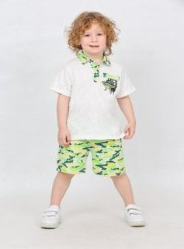 | Polo Neck Camuflage Beige Men's Shorts Set | PNCLP-24SUM-043 | 9 Age | 30 | ₺1,499.00
 | Polo Neck Camuflage Beige Men's Shorts Set | PNCLP-24SUM-043 | 8 Age | 90 | ₺1,499.00
 | Polo Neck Camuflage Beige Men's Shorts Set | PNCLP-24SUM-043 | 7 Age | 90 | ₺1,499.00
 | Polo Neck Camuflage Beige Men's Shorts Set | PNCLP-24SUM-043 | 6 Age | 90 | ₺1,499.00
 | Polo Neck Camuflage Beige Men's Shorts Set | PNCLP-24SUM-043 | 5 Age | 90 | ₺1,499.00
 | Polo Neck Camuflage Beige Men's Shorts Set | PNCLP-24SUM-043 | 4 Age | 30 | ₺1,499.00
 | Polo Neck Camuflage Beige Men's Shorts Set | PNCLP-24SUM-043 | 3 Age | 30 | ₺1,499.00
 | Polo Neck Camuflage Beige Men's Shorts Set | PNCLP-24SUM-043 | 10 Age | 30 | ₺1,499.00
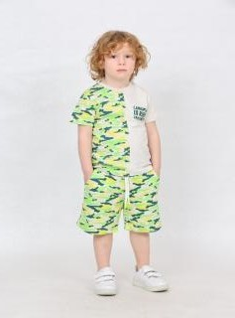 | Shoulder Camuflage Beige Men's Shorts Set | PNCLP-24SUM-042 | 9 Age | 30 | ₺1,499.00
 | Shoulder Camuflage Beige Men's Shorts Set | PNCLP-24SUM-042 | 8 Age | 30 | ₺1,499.00
 | Shoulder Camuflage Beige Men's Shorts Set | PNCLP-24SUM-042 | 7 Age | 90 | ₺1,499.00
 | Shoulder Camuflage Beige Men's Shorts Set | PNCLP-24SUM-042 | 6 Age | 90 | ₺1,499.00
 | Shoulder Camuflage Beige Men's Shorts Set | PNCLP-24SUM-042 | 5 Age | 90 | ₺1,499.00
 | Shoulder Camuflage Beige Men's Shorts Set | PNCLP-24SUM-042 | 4 Age | 30 | ₺1,499.00
 | Shoulder Camuflage Beige Men's Shorts Set | PNCLP-24SUM-042 | 3 Age | 30 | ₺1,499.00
 | Shoulder Camuflage Beige Men's Shorts Set | PNCLP-24SUM-042 | 10 Age | 30 | ₺1,499.00
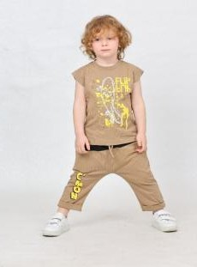 | Flip Mink Boy Capri Set | PNCLP-24SUM-041 | 5 Age | 90 | ₺1,499.00
 | Flip Mink Boy Capri Set | PNCLP-24SUM-041 | 4 Age | 30 | ₺1,499.00
 | Flip Mink Boy Capri Set | PNCLP-24SUM-041 | 3 Age | 30 | ₺1,499.00
 | Flip Mink Boy Capri Set | PNCLP-24SUM-041 | 10 Age | 30 | ₺1,499.00
 | Flip Mink Boy Capri Set | PNCLP-24SUM-041 | 9 Age | 30 | ₺1,499.00
 | Flip Mink Boy Capri Set | PNCLP-24SUM-041 | 8 Age | 90 | ₺1,499.00
 | Flip Mink Boy Capri Set | PNCLP-24SUM-041 | 7 Age | 90 | ₺1,499.00
 | Flip Mink Boy Capri Set | PNCLP-24SUM-041 | 6 Age | 90 | ₺1,499.00
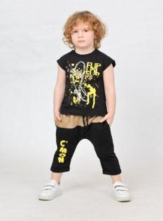 | Flip Black Boys' Capri Set | PNCLP-24SUM-040 | 9 Age | 40 | ₺1,499.00
 | Flip Black Boys' Capri Set | PNCLP-24SUM-040 | 8 Age | 120 | ₺1,499.00
 | Flip Black Boys' Capri Set | PNCLP-24SUM-040 | 7 Age | 120 | ₺1,499.00
 | Flip Black Boys' Capri Set | PNCLP-24SUM-040 | 6 Age | 120 | ₺1,499.00
 | Flip Black Boys' Capri Set | PNCLP-24SUM-040 | 5 Age | 120 | ₺1,499.00
 | Flip Black Boys' Capri Set | PNCLP-24SUM-040 | 4 Age | 40 | ₺1,499.00
 | Flip Black Boys' Capri Set | PNCLP-24SUM-040 | 3 Age | 40 | ₺1,499.00
 | Flip Black Boys' Capri Set | PNCLP-24SUM-040 | 10 Age | 40 | ₺1,499.00
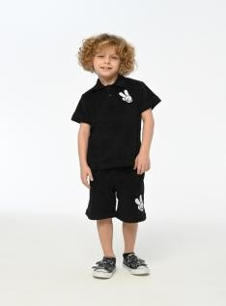 | Victory Black Men's Shorts Set | PNCLP-24SUM-038 | 9 Age |  | ₺1,499.00
 | Victory Black Men's Shorts Set | PNCLP-24SUM-038 | 8 Age |  | ₺1,499.00
 | Victory Black Men's Shorts Set | PNCLP-24SUM-038 | 7 Age |  | ₺1,499.00
 | Victory Black Men's Shorts Set | PNCLP-24SUM-038 | 6 Age |  | ₺1,499.00
 | Victory Black Men's Shorts Set | PNCLP-24SUM-038 | 5 Age |  | ₺1,499.00
 | Victory Black Men's Shorts Set | PNCLP-24SUM-038 | 4 Age |  | ₺1,499.00
 | Victory Black Men's Shorts Set | PNCLP-24SUM-038 | 3 Age |  | ₺1,499.00
 | Victory Black Men's Shorts Set | PNCLP-24SUM-038 | 10 Age |  | ₺1,499.00
 | Victory Ecru Men's Shorts Set | PNCLP-24SUM-037 | 4 Age | 20 | ₺1,499.00
 | Victory Ecru Men's Shorts Set | PNCLP-24SUM-037 | 3 Age | 20 | ₺1,499.00
 | Victory Ecru Men's Shorts Set | PNCLP-24SUM-037 | 10 Age | 20 | ₺1,499.00
...

